GENERAL
Tkinter
Tkinter is module used to develop GUI
We cant install the tkinter module using pip
We have to install it while downloading python itself

Starting an Empty GUI
import tkinter
window = tkinter.Tk() | Window is a variable
window.mainloop() | We can name it as per our convienience
 | Usually root is given as name of the variable instead window

 | In second line, we are assigning the variable -
 | - to get associated with class TK()
 | Second line is basically a constructor
 | Assigning class to a variable
 | In third line, we are calling the mainloop func in TK()
 | mainloop() is a method in Tk() class

 | But Tk() calss will be in the Tkinter library
 | So we are importing it in the first line

When we run the above code, we get this GUI
It will defaultly have tk as the name in the titlebar
Titlebar will also have minimize, maximize and close buttons.
We can also resize the window by using mouse
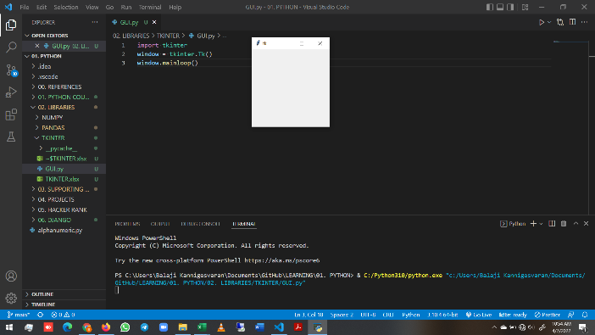
 | But this will basically create the window, -
 | - in which we will add other things
 | But this should be the fist step to be done

NOTE:
import tkinter --> start with small t when using python 3
import Tkinter --> start with Capital T when using python 2

I few do like this, we have to use tkinter in all functions
So changing the code a little bit
Both will yield same result
Old code | New code
import tkinter | from tkinter import *
window = tkinter.Tk() | window = Tk()
window.mainloop() | window.mainloop()

We have already seen that how the mainloop() method is accessed from Tk() class of tkinter library
But what does that mainloop() method does?
Whenver we have a GUI program is running, it is always looping constantly
And that’s how it figures out "Whats going on?"

Due to this looping only,
The GUI can get the mouse position for each and every small movement
And also when we click a button, the GUI know continually tracks the posiition of the mouse

Thus looping is necessary for communication the things happening in the screen to GUI
We have to create that loop
mainloop() method is used to create that loop only

Always the loop ends under some condition
And here, the condition is pressing the close button

Widgets
Till now we have created an empty window
But we can also add widgets to it by using Tkinter

Widgets available in Tkinter are as follows
Frame, Label, Entry, Text, Canvas, Button, Radiobutton,
Checkbutton, Scale, Listbox, Scrollbar, OptionMenu, Spinbox
LabelFrame and PanedWindow.

Widgets - Properties
Properties of the widgets are specified with keyword arguments.

Widgets - Positioning
Widgets are positioned with one of the geometry managers Place, Pack or Grid.
These managers can be called with methods place, pack, grid available in every Widget.

Widgets - Actions/ Events
Actions are bound to events by resources (e.g. keyword argument command) or with the method bind.

WIDGETS & PROPERTIES
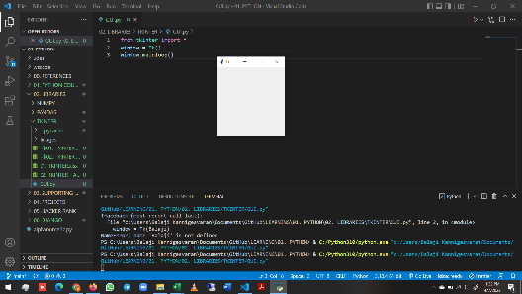
We already know how to create an empty window
from tkinter import *
window = Tk()
window.mainloop()

Label
Now we are gonna add text to it
For that we need to create a label widget

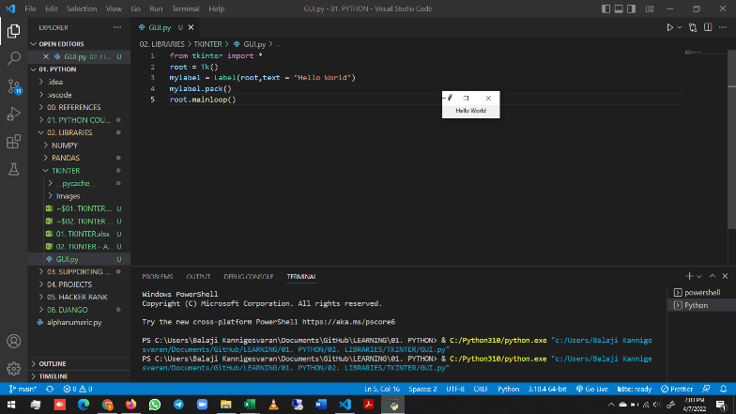
from tkinter import *
root = Tk()
mylabel = Label(root,text = "Hello World")
mylabel.pack()
root.mainloop()

Label() is not a method. It is a class
Label() should be assigned to a variable
So that we can use that variable to position it
Basically it is a constructor

Label() class should be fed with 2 arguments
One is the variable of the Tkinter class
And the text to be entered
But we have to give the text in the keyworded variable length arguments
Refer Python excel --> Function sheet to know about keyworded variable length argument

We have used pack for positioning
So only the output cane in a packed manner
Ther is no other space extra

Some of the other keywords, which we can use additionally is given below
Study how to use it. Reference link Below
https://www.youtube.com/watch?v=vY5V7ssinew&list=PLBsuNIG-5feXcc1Tne6Ys4nQLtoCpsym0&index=7

STANDARD OPTIONS
activebackground, activeforeground, anchor,
background, bitmap, borderwidth, cursor,
disabledforeground, font, foreground,
highlightbackground, highlightcolor,
highlightthickness, image, justify,
padx, pady, relief, takefocus, text,
textvariable, underline, wraplength

WIDGET-SPECIFIC OPTIONS
height, state, width

from tkinter import *
root = Tk()
mylabel = Label(root,text = "Hello World",height="10",width="70",background="cyan")
mylabel.pack()
root.mainloop()
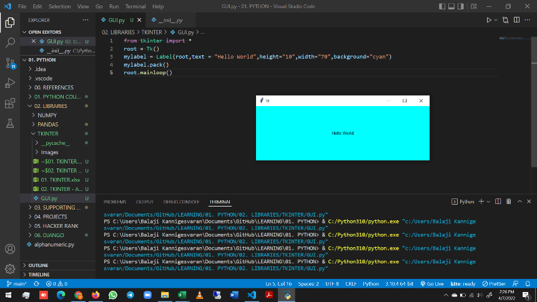
 | Similarly study about other props
 | And all their options which can be set
 | Ex: For color- green, cyan, red -
 | - are diff option available
 | Similarly go through all the options -
 | - of all the props

